Table 3
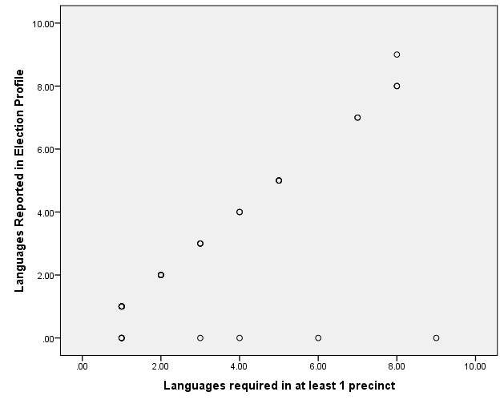

Correlations
 |  | Canvas Cost Pct | Pollworker Cost Pct | Polling Place Cost Pct | Postage Cost Pct | Ballot Printing Cost Pct | Multi-lingual Cost Pct | Provional Ballot Processing Cost Pct | Cost per Vote Opportunity | Cost Per Registered Voter
 | Percent of Precincts with Non-English | 0.087 | -0.014 | 0.103 | -0.250 | -0.158 | 0.393 | 0.052 | 0.494 | 0.045
 | Languages required in at least 1 precinct | 0.260 | 0.187 | 0.244 | -0.192 | -0.331 | 0.425 | 0.359 | 0.637 | 0.065
 | Pct Speaking English less Than Very Well | 0.118 | 0.007 | 0.222 | -0.076 | -0.455 | 0.244 | 0.133 | 0.345 | 0.097
 | Lived in Different County 1 year Ago | -0.272 | -0.235 | -0.088 | -0.169 | 0.141 | -0.173 | -0.205 | -0.127 | 0.527

 | Report
 | Languages |  | Canvas Cost Pct | Pollworker Cost Pct | Polling Place Cost Pct | Postage Cost Pct | Ballot Printing Cost Pct | Multi-lingual Cost Pct | Provional Ballot Processing Cost Pct | Coster Per Voter Opportunity
 |  | 1 | 0.2% | 13.3% | 6.3% | 7.9% | 30.5% | 0.9% | 0.1% | 3174.87
 |  | 2 | 0.1% | 13.1% | 7.1% | 8.3% | 16.1% | 0.3% | 0.4% | 6136.61
 |  | 3-5 | 0.5% | 10.6% | 15.2% | 8.7% | 14.5% | 3.0% | 0.4% | 10469.88
 |  | 6-9 | 0.6% | 16.2% | 10.9% | 5.4% | 13.8% | 5.4% | 0.8% | 49383.74
 |  | Total | 0.3% | 13.2% | 9.7% | 7.7% | 20.9% | 2.2% | 0.4% | 13479.97

 | Correlations
 |  |  | vbm_endeliv_rate VBM - undeliverable rate | turnout | provisional_not_counted_rate Provisional- Fraction Not counted | pct_provisional_rate
 | pct_prec_lang Pct of Precincts with Non-English | Pearson Correlation | 0.064 | -0.234 | -0.138 | 0.307
 |  | Sig. (2-tailed) | 0.725 | 0.142 | 0.401 | 0.054
 |  | N | 33 | 41 | 39 | 40
 | count_langs Languages required in at least 1 precinct | Pearson Correlation | 0.172 | -0.472 | -0.135 | 0.719
 |  | Sig. (2-tailed) | 0.338 | 0.002 | 0.411 | 0.000
 |  | N | 33 | 41 | 39 | 40
 | pctlang_lt_vwell Pct Speaking English less Than Very Well | Pearson Correlation | 0.110 | -0.686 | -0.272 | 0.595
 |  | Sig. (2-tailed) | 0.542 | 0.000 | 0.094 | 0.000
 |  | N | 33 | 41 | 39 | 40
 | migcounty Lived in Different County 1 year Ago | Pearson Correlation | 0.105 | 0.229 | -0.063 | -0.184
 |  | Sig. (2-tailed) | 0.562 | 0.150 | 0.701 | 0.257
 |  | N | 33 | 41 | 39 | 40

table 5
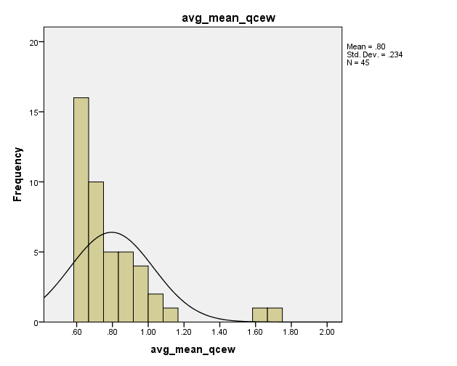
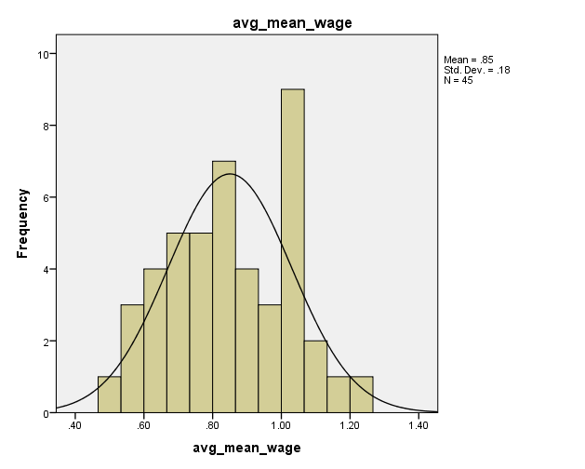

Descriptives

 | GCC Mean Wage Index | GCC Median Wage Index | QCEW Total Wage Index | QCEW Local Government Wage Index
Mean | 0.84 | 0.89 | 0.79 | 0.87
Median | 0.83 | 0.88 | 0.71 | 0.86
Minimum | 0.49 | 0.51 | 0.59 | 0.60
Maximum | 1.24 | 1.22 | 1.69 | 1.21

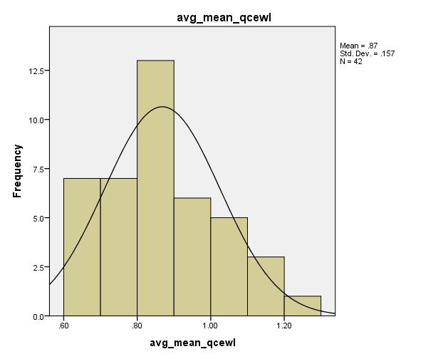
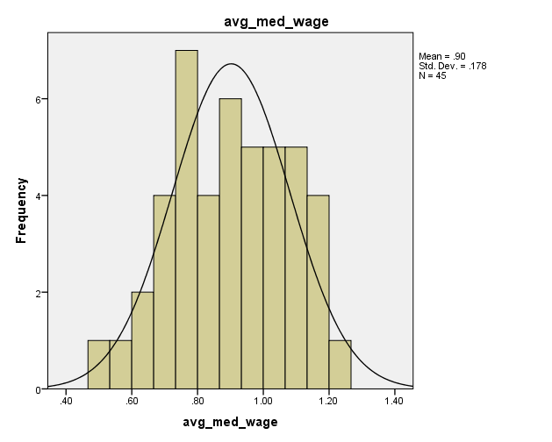
 | GCC Mean Wage Index | GCC Median Wage Index | QCEW Total Wage Index | QCEW Local Government Wage Index
Ratio of largest to Smallest | 2.55 | 2.39 | 2.85 | 2.00
Ratio of Mean/Median | 1.01 | 1.02 | 1.11 | 1.00

 | GCC Mean Wage Index | GCC Median Wage Index | QCEW Total Wage Index | QCEW Local Government Wage Index
Top 3 counties | Santa Clara | Santa Clara | Santa Clara | Alameda
 | 1.24 | 1.22 | 1.69 | 1.21
 | Los Angeles | Marin | San Mateo | Santa Clara
 | 1.16 | 1.00 | 1.60 | 1.19
 | Alameda | Napa | Alameda | Marin
 | 1.07 | 1.15 | 1.13 | 1.14
Bottom 3 counties
 | Siskiyou | Butte | Tulare | Del Norte
 | 0.60 | 0.65 | 0.60 | 0.63
 | Plumas | Plumas | Siskiyou | Modoc
 | 0.55 | 0.58 | 0.60 | 0.62
 | Modoc | Modoc | Modoc | Plumas
 | 0.49 | 0.51 | 0.59 | 0.60

 | Plumas |  | 0.6
 | Modoc |  | 0.62
 | Del Norte |  | 0.63

 | Marin |  | 1.14
 | Santa Clara |  | 1.19
 | Alameda |  | 1.21

